Front page
Please select a rute

Göteborg - Fredrikshamn
Göteborg - Kiel
Karlskrona-Gdynia
Nynäshamn - Ventspils
Trelleborg - Rostock
Hoek Van Holland - Harwich

Göteborg - Fredrikshamn
Back

Please enter the required information below for every person travelling.
Gender, Age, Nationality (Special Needs if applicable) must be chosen by using the dropdown arrows.
Date of birth is obligatory and has to be written in the format YYYY-MM-DD.
Please return the completed list to business.travel@stenaline.com at least 4 weeks prior to departure date (6 weeks for Gothenburg - Kiel).
If your group is travelling by vehicle, please remember to enter the driver's name. If you do not know the driver’s
name, please enter 'driver' in both the forename and surname boxes (example below).

Booking Reference:
Route: |  | Göteborg - Fredrikshamn

 | Forename | Surname | Gender | Age | Nationality | Comment | Special needs | Date of Birth
1 | Driver | Driver | Male | Adult | Sweden |  |  | 1900-01-01
2
3
4
5
6
7
8
9
10
11
12
13
14
15
16
17
18
19
20
21
22
23
24
25
26
27
28
29
30
31
32
33
34
35
36
37
38
39
40
41
42
43
44
45
46
47
48
49
50
51
52
53
54
55
56
57
58
59
60
61
62
63
64
65
66
67
68
69
70
71
72
73
74
75
76
77
78
79
80
81
82
83
84
85
86
87
88
89
90
91
92
93
94

Göteborg- Kiel
Back
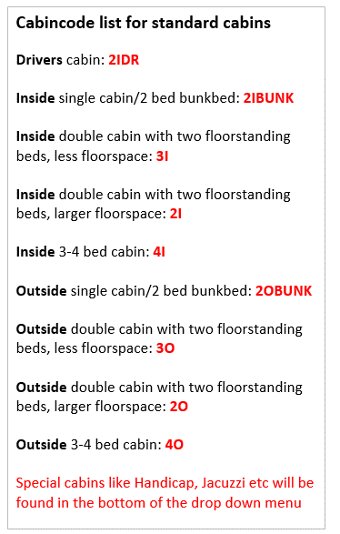
Please enter the required information below for every person travelling.
Gender, Age, Nationality (Special Needs if applicable) must be chosen by using the dropdown arrows.
Date of birth is obligatory and has to be written in the format YYYY-MM-DD.
Please return the completed list to business.travel@stenaline.com at least 4 weeks prior to departure date (6 weeks for Gothenburg - Kiel).
If your group is travelling by vehicle, please remember to enter the driver's name. If you do not know the driver’s
name, please enter 'driver' in both the forename and surname boxes (example below).

Booking Reference:
Route: |  | Göteborg - Kiel

 | Forename | Surname | Gender | Age | Nationality | Comment | Special needs | Date of Birth | Cabin
1 | Driver | Driver | Male | Adult | Sweden |  |  | 1900-01-01 | 2IDR
2
3
4
5
6
7
8
9
10
11
12
13
14
15
16
17
18
19
20
21
22
23
24
25
26
27
28
29
30
31
32
33
34
35
36
37
38
39
40
41
42
43
44
45
46
47
48
49
50
51
52
53
54
55
56
57
58
59
60
61
62
63
64
65
66
67
68
69
70
71
72
73
74
75
76
77
78
79
80
81
82
83
84
85
86
87
88
89
90
91
92
93
94

Karlskrona-Gdynia
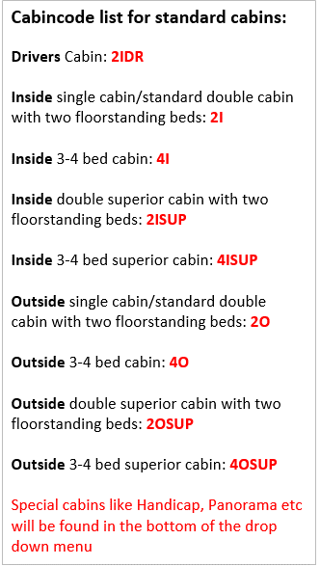
Back
Please enter the required information below for every person travelling.
Gender, Age, Nationality (Special Needs if applicable) must be chosen by using the dropdown arrows.
Date of birth is obligatory and has to be written in the format YYYY-MM-DD.
Please return the completed list to business.travel@stenaline.com at least 4 weeks prior to departure date (6 weeks for Gothenburg - Kiel).
If your group is travelling by vehicle, please remember to enter the driver's name. If you do not know the driver’s
name, please enter 'driver' in both the forename and surname boxes (example below).

Booking Reference:
Route: |  | Karlskrona - Gdynia

 | Forename | Surname | Gender | Age | Nationality | Comment | Special needs | Date of Birth | Cabin
1 | Driver | Driver | Male | Adult | Sweden |  |  | 1900-01-01 | 2IDR
2
3
4
5
6
7
8
9
10
11
12
13
14
15
16
17
18
19
20
21
22
23
24
25
26
27
28
29
30
31
32
33
34
35
36
37
38
39
40
41
42
43
44
45
46
47
48
49
50
51
52
53
54
55
56
57
58
59
60
61
62
63
64
65
66
67
68
69
70
71
72
73
74
75
76
77
78
79
80
81
82
83
84
85
86
87
88
89
90
91
92
93
94

Nynäshamn - Ventspils
Back
Please enter the required information below for every person travelling.
Gender, Age, Nationality (Special Needs if applicable) must be chosen by using the dropdown arrows.
Date of birth is obligatory and has to be written in the format YYYY-MM-DD.
Please return the completed list to business.travel@stenaline.com at least 4 weeks prior to departure date (6 weeks for Gothenburg - Kiel).
If your group is travelling by vehicle, please remember to enter the driver's name. If you do not know the driver’s
name, please enter 'driver' in both the forename and surname boxes (example below).

Booking Reference:
Route: |  | Nynäshamn - Ventspils

 | Forename | Surname | Gender | Age | Nationality | Comment | Special needs | Date of Birth | Cabin
1 | Driver | Driver | Male | Adult | Sweden |  |  | 1900-01-01 | 2IDR
2
3
4
5
6
7
8
9
10
11
12
13
14
15
16
17
18
19
20
21
22
23
24
25
26
27
28
29
30
31
32
33
34
35
36
37
38
39
40
41
42
43
44
45
46
47
48
49
50
51
52
53
54
55
56
57
58
59
60
61
62
63
64
65
66
67
68
69
70
71
72
73
74
75
76
77
78
79
80
81
82
83
84
85
86
87
88
89
90
91
92
93
94

Trelleborg - Rostock
Back
Please enter the required information below for every person travelling.
Gender, Age, Nationality (Special Needs if applicable) must be chosen by using the dropdown arrows.
Date of birth is obligatory and has to be written in the format YYYY-MM-DD.
Please return the completed list to business.travel@stenaline.com at least 4 weeks prior to departure date (6 weeks for Gothenburg - Kiel).
If your group is travelling by vehicle, please remember to enter the driver's name. If you do not know the driver’s
name, please enter 'driver' in both the forename and surname boxes (example below).

Booking Reference:
Route: |  | Trelleborg - Rostock

 | Forename | Surname | Gender | Age | Nationality | Comment | Special needs | Date of Birth | Cabin
1 | Driver | Driver | Male | Adult | Sweden |  |  | 1900-01-01 | 2IDR
2
3
4
5
6
7
8
9
10
11
12
13
14
15
16
17
18
19
20
21
22
23
24
25
26
27
28
29
30
31
32
33
34
35
36
37
38
39
40
41
42
43
44
45
46
47
48
49
50
51
52
53
54
55
56
57
58
59
60
61
62
63
64
65
66
67
68
69
70
71
72
73
74
75
76
77
78
79
80
81
82
83
84
85
86
87
88
89
90
91
92
93
94

Hoek Van Holland - Harwich
Back
Please enter the required information below for every person travelling.
Gender, Age, Nationality (Special Needs if applicable) must be chosen by using the dropdown arrows.
Date of birth is obligatory and has to be written in the format YYYY-MM-DD.
Please return the completed list to business.travel@stenaline.com at least 4 weeks prior to departure date (6 weeks for Gothenburg - Kiel).
If your group is travelling by vehicle, please remember to enter the driver's name. If you do not know the driver’s
name, please enter 'driver' in both the forename and surname boxes (example below).

Booking Reference:
Route: |  | Hoek Van Holland - Harwich

 | Forename | Surname | Gender | Age | Nationality | Comment | Special needs | Date of Birth | Cabin | Doc Number | Doc Type | Doc issuing country | Doc expiry date
1 | Driver | Driver | Male | Adult | Sweden |  |  | 1900-01-01 | 2IDR | 12345678 | Pass | Sweden | 2099-12-31
2
3
4
5
6
7
8
9
10
11
12
13
14
15
16
17
18
19
20
21
22
23
24
25
26
27
28
29
30
31
32
33
34
35
36
37
38
39
40
41
42
43
44
45
46
47
48
49
50
51
52
53
54
55
56
57
58
59
60
61
62
63
64
65
66
67
68
69
70
71
72
73
74
75
76
77
78
79
80
81
82
83
84
85
86
87
88
89
90
91
92
93
94

